Example Mic schedule
FoM Nuffield Hall 2023 Microphone Schedule - Friday

Speaker | Headshot | Session | Mic used | Mic to be put on | Mic to be removed | Notes

Session 1
HOST 2: François Ortalo-Magné Dean, London Business School | 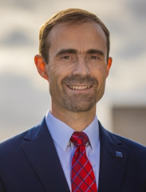 | Session 1 - Introduction | Lapel 1 | 13:45:00 | 15:15:00 | Host for session 1
Dan Cable Professor of Organisational Behaviour, London Business School | 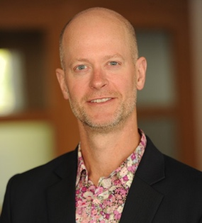 | Session 1 - Talk Session 1 - Q&A | Lapel 2 | 13:45:00 | 15:15:00 | Speaker for session 1
HOST 1: Ramsey Sargent EMBAG2005 Executive Director, Alumni Engagement, London Business School |  | Session 1 - Welcome Session 1 - Closing words | Lapel 3 | 13:45:00 | 15:15:00 | Host for session 1
Q&A (Session 1) | 4 x ushers to run mics Ushers will come to the AV desk to collect mics and have quick briefing |  | x 4 handhelds

MICS TO BE COLLECTED BACK AND REDISTRIBUTED DURING COFFEE BREAK
Eshe Nelson Business and Economic Reporter, The New York Times in London | 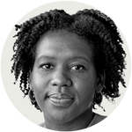 |  | Lapel 1 | 15:15:00 | 16:50:00
Richard Portes Professor of Economics, London Business School; Academic Director, AQR | 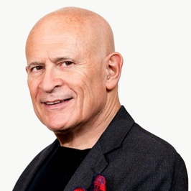 |  | Lapel 2 | 15:15:00 | 16:50:00
Lucrezia Reichlin Professor of Economics, London Business School | 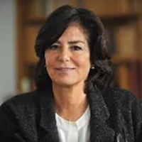 |  | Lapel 3 | 15:15:00 | 16:50:00
Jérémie Gallien Professor of Management Science and Operations, London Business School | 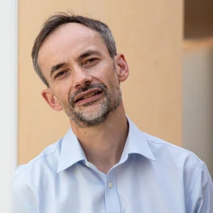 |  | Lapel 4 | 15:15:00 | 16:50:00
Nicos Savva Professor of Management Science and Operations, London Business School | 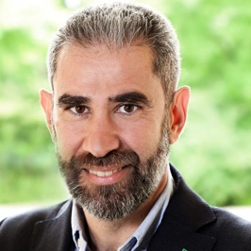 |  | Lapel 5 | 15:15:00 | 16:50:00
HOST: Ramsey Sargent EMBAG2005 Executive Director, Alumni Engagement, London Business School |  | Session 2 - Introduction Session 2 - Closing remarks | Lapel 6 | 15:15:00 | 16:50:00 | Host for session 2
Q&A | 4 x ushers to run mics Ushers will come to the AV desk to collect mics and have quick briefing |  | x 4 handhelds

